Investment Summary
Treeside MHP |  |  |  |  | Units/Infrastructure/Operations
1028 Roberts Ln |  |  |  |  | Rental Units | 97
Williamston, NC 27892 |  |  |  |  | Current Rent Rates | $171.00
 |  |  |  |  | Water System | Public-Tenants Pay (Submeters)
Investment Summary | (current Jan 2020) |  |  |  | Sewer System | Septic
Purchase Price | $399,000 |  | Investment Metrics | (pro-forma year-3) | Electric | Public - Direct Billed
Price Per Rental Unit | $4,113 |  | Net Operating Income | $87,460 | Gas | Not Applicable
Price Per POH | $0 |  | Net Operating Income (Including POH) | N/A | Trash Responsibility | Landlord
Gross Income (All Sources) | $50,619 |  | Capitalization Rate (without POH) | 21.9% | Mowing Responsibility | Landlord
Capitalized Income | $50,619 | 100.0% | Cash-on-Cash Return | N/A | Flood Plane | No
POH Income | $0 | 0.0% | Total Return | N/A | Parcel # | 504893
Investment Narrative
Located 5 minutes outside of downtown Williamston, NC, this park sits 35 minutes from Greenville and 2 hours from Virginia Beach. This park is a heavy value-add with a major infill component. The vacant lots have infrastructure in place (city water, individual septic's for each lot, and direct billed public electric) and are ready for homes.
The park has 97 lots with 18 lot rent only tenants paying a lot rental rate of $170 per month. Lot rent is below the market rate of $230-$275. There are 79 vacant lots and current occupancy is 19%.
Treeside Mobile Home Community is a year-round, all-ages community and has city water that is billed back to directly to the tenants. The community uses a 1:1 septic system with the exception of 6 lots, and the landlord is responsible for all septic repairs and maintenance. There are 0 park owned homes. The privately maintained roads are gravel and in good condition. The park is NOT in a flood zone.
The park is being offered as a heavy value-add investment with significant infill opportunity and below market lot rents. We are seeking cash offers as financing will not likely be available, for the exception of hard money.
 |  |  |  |  | Acres | 37
Investment Highlights
Well Maintained Value-Add Park
Pro-Forma Caprate: 21.9%
Major Infill Opportunity
Market Lot Rent: $225-$250
Direct Bill City Water
Plug & play lots (minimal improvement needed to bring online)
 |  |  |  | Parcel Map

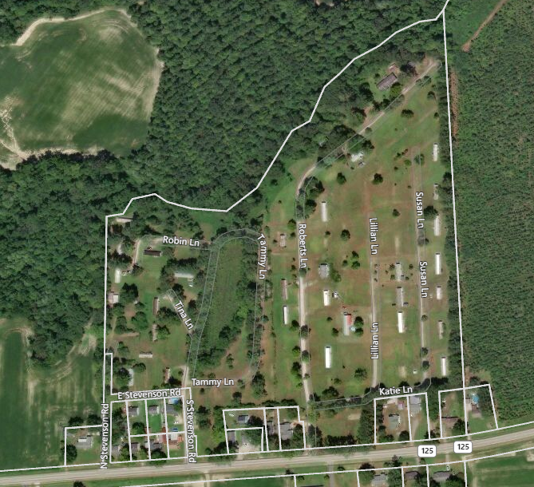

Known Issues
Mostly Vacant (but well maintained) MHP
1/1 Septic (no known issues)

