Investment Summary
 | Fairground MHP |  |  | Park Website: |  | Units/Infrastructure/Operations
 | 108 Fairgrounds Rd |  |  |  |  | Rental Units | 35 MH Lots, 2 Other Housing
 | Moncks Corner , SC 29461 |  |  |  |  | Current Rent Rates | $330 LR |$170 POH | $600 APT
 |  |  |  |  |  | Water System | Public-Tenants Pay (Submeters)
 | Investment Summary |  |  |  |  | Sewer System | Public-Tenants Pay (Submeters)
 | Purchase Price | $1,200,000 |  | Investment Metrics |  | Electric | Public - Direct Billed
 | Gross Income (All Sources) | $121,845 |  | Net Operating Income | $53,790 | Gas | Public - Direct Billed
 | Capitalized Income | $119,805 | 98.3% | Net Operating Income (Including POH) | $54,810 | Trash Responsibility | Landlord
 | POH Income | $2,040 | 1.7% | Capitalization Rate (without POH) | 4.5% | Mowing Responsibility | Landlord
 |  |  |  | Cash-on-Cash Return | 3.8% | Is this park expandable? | Yes
 |  |  |  | Total Return | 3.8% | Flood Plane | No
 | Lot Rent | POH Rent | Utility Info |  |  | Opportunity Zone | Yes
 | $330 | $170 | Public- Bill Back |  |  | Year Built | 1978
Rent Comps | $469 | $830 - $1,285 | Public- Direct Billed | JLT June 2019 |  | Parcel # | 142-08-01-042
Fairground MHP | $463 | $0 | Public- Direct Billed | In the Charleston, the average monthly homesite rent in the "All Ages" communities is $359 and "55+" communities is $396 - JLT June 2019 |  | Parcel #
The Gables of Charleston | $450 | $0 | Public- Direct Billed |  |  | Acres | 3.61
Wind Gate MHP | $373 | $836 - $1,181 | Public- Direct Billed |  |  | Roads | Paved
Deerhaven MHP | $454* new section | $0 | Public- Direct Billed |  |  | Zoning | MH-1
Shannonwood MHC |  |  |  | Investment Highlights
Sunrise MHP | City | County | MSA | Redevelopment Opportunity |  | Parcel Map
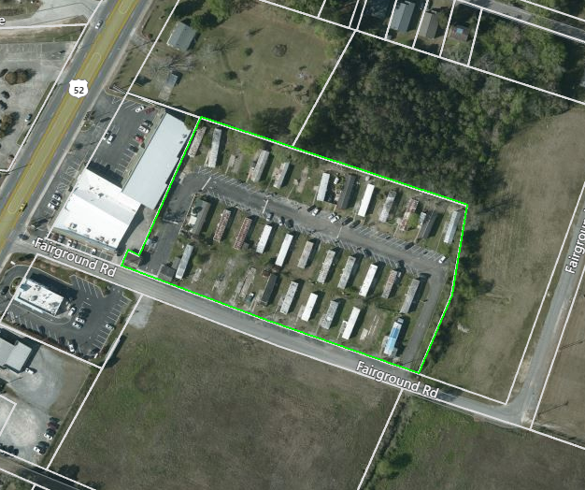
 | Moncks Corner | Berkeley | Charleston, SC | Opportunity Zone
 | 9,759 | 204,632 | 744,195 | 39 Lots, Expandable to 44 Lots
 | +30% since 2010 | +20.5% since 2010 | +15.9% since 2010 | Approved Site & landscaping Plan
Population | 3.20% | 3.20% | 3% | Can also build 49 low income apartment units
Growth | $44,828 | $51,844 | $52,517 | Public water & sewer
Unemployment Rate | 215,500 | 208,400 | 250,400 | Current Tenant base is all lot renters
Median Income | $940 | $1,118 | $1,118
Medium Home Price |  |  |  | Known Issues
Avg. 2-bed Apt. Rent | Investment Narrative |  |  | Park must be redeveloped in order stay open
 | This park is a re-development opportunity located in an opportunity zone with Day-1 income in place and is located in the Moncks Corner area of the Charleston, SC MSA. The Moncks Corner area has experienced a booming 30% population increase since 2010, with the metro area experiencing 15.9% population growth and total population of roughly 750,000. This asset is 45 minutes from downtown Charleston, rated #1 city in the world in 2016 according to Travel & Leisure Magazine, and #1 city in the U.S. each year since 2013. |  |  | TOH are aged and many are pre-HUD
 |  |  |  | Can’t re-rent any upcoming vacancies
1. Location & Layout
 |  |  |  | Local Market Information
 |  |  |  | The city of Moncks Corner in the Charleston, SC MSA has experienced significant growth since 2010, with a 30% increase in the population. The Charleston, SC MSA has experienced a 15.9% population growth since 2010. The Charleston-North Charleston, SC MSA has a thriving and balanced economy, with large sections of the population working in construction (6.9%), manufacturing (9.9%), retail trade (11.5%), professional and technical services (7.5%), educational services (8.2%), healthcare services (13.4%), and accommodation and food services (9.2%). In addition to a healthy economy, Charleston, SC has emerged as one of the premiere tourist destinations in the world. Travel and Leisure Magazine has ranked Charleston as the #1 city to visit in the U.S. every year since 2013. They ranked Charleston as the #1 city in the world to visit in 2016. Whether for work or travel, there is something for everyone.

 | Fairground MHC currently has 35 MH lots and 2 individual apartments. There are 25 tenants total, with 1 apartment occupied, 23 lot renters, and 1 POH tenant. Lot rent is $330 per month. The new proposed development plan would completely redo the park and result in 42 new lots that can accommodate new larger homes. The city is requiring the park to be fully brought up to code and conform to proper zoning. This has resulted in current ownership revising the site plan to include a completely new layout with proper set backs and green space. The existing tenant base is not allowed to be replaced in its current layout. There is no definitive timeline on when the park must be revamped however we anticipate that the park will need to be in full compliance within a couple years.

2. Rent & Occ. Info

 | The city is willing to work with ownership in creating a new MHC of up to 44 units, or an apartment development of up to 49 units. A landscaping plan has already been approved for the 44 unit park. The new owner will need to bring in all new homes and adhere to the new approved landscaping plan which should correlate with a lot rent averaging $500+. Fairground MHC is a year-round, all-ages community that has all public utilities. Water and sewer is sub-metered and billed back to the tenants. Electricity is directly billed to the tenants. The roads are in below average condition and will need to be replaced as designed in the new approved plan.

3. Details & Utilities

 | This park is being offered as a redevelopment opportunity with significant upside in a strong market. The purchase price of $1.2M represents a 4.48% CAP on current NOI. The optimal use of this investment is to develop a new, 44 unit park. Using a bridge loan with 36 month interest only period on the total cost of purchase and estimated $350,000 in construction cost to execute new plan, your total loan will be $1.55M. With 35% down (542k), debt service will be $50,375 year 1, $70,525 year 2, and $90,675 year 3. Total cash for funding the deal is $754,075. Once the park reaches 95% occupancy using the pro forma NOI, you can refinance or sell the park for roughly $3.13M using a 5.5% exit CAP rate. Net profit for an investor (excluding home purchase costs) will be $1.995M, giving an investor an equity multiple of 3.68.

4. Returns & Pricing

