Investment Summary
Version: March 14 2020
 | Brentwood & Crepe Mrytle |  |  | Park Website: |  |  | Units/Infrastructure/Operations
 | Bethel Church Rd |  |  | park site |  |  | Rental Units | 144 MH Lots
 | Angier , NC 27501 |  |  | https://www.themhpexpert.com/property/brentwood-crepe-myrtle-mhc |  |  | Current Rent Rates | $340 LR | $338 POH
 |  |  |  |  |  |  | Water System | Public-Tenants Pay (Direct to Provider)
 | Investment Summary |  |  |  |  |  | Sewer System | Septic
 | Purchase Price | $8,500,000 |  | Investment Metrics |  |  | Electric | Public - Direct Billed
 | Price Per Rental Unit | $47,195 | * Does not include POH, RTO, or "other" value sources listed on Underwriting Sheet | Net Operating Income | $434,985 |  | Gas | Public - Direct Billed
 | Price Per POH | $15,206 |  | Net Operating Income (Including POH) | $705,839 |  | Trash Responsibility | Landlord
 | Gross Income (All Sources) | $1,072,605 |  | Capitalization Rate (without POH) | 6.4% |  | Mowing Responsibility | Landlord
 | Capitalized Income | $621,183 | 57.9% | Cash-on-Cash Return | 17.9% |  | Is this park expandable? | No
 | POH Income | $451,422 | 42.1% | Total Return | 24.3% |  | Flood Plane | No
 |  |  |  |  |  |  | Opportunity Zone | No
 | Market Metrics |  |  | Investment Highlights |  |  | Year Built
 | City | County | MSA | High quality park with high quality homes |  |  | Parcel # | 071602 0120
www.bestplaces.com | Angier | Harnett | Raleigh NC | Great location in growing MSA |  |  | Parcel # | 071602 0004 01
Population | Population | Population | Population | Only 24.5 miles to downtown Raleigh |  |  | Acres | 107.1
 | 5,151 | 128,753 | 1,273,985 | Strong upside through POH conversion |  |  | Roads | Paved
Growth | +24.4% since 2010 | +18.1% since 2010 | +19.1% since 2010 | Newer POH in fantastic condition |  |  | Zoning
 |  |  |  | Parks located only a 2500’ apart
Unemployment Rate | Unemployment Rate | Unemployment Rate | Unemployment Rate | Public direct billed water |  | Parcel Map
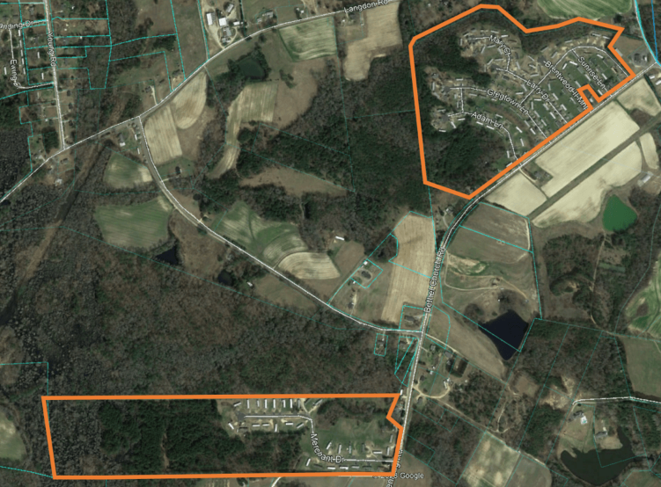
 | 4.60% | 4.60% | 3.40%

Median Income | Median Income | Median Income | Median Income | Known Issues
 | $39,798 | $44,417 | $62,794
 |  |  |  | Park could use some landscaping upgrades |  | Brentwood MHC
Medium Home Price | Median Home Price | Median Home Price | Median Home Price | Park is heavy Park Owned Home Community
 | $173,600 | $169,200 | $216,066 | Both parks are on septic, municipal sewer not available
Avg. 2-bed Apt. Rent | $930 | $787 | $1,086

Rent Comps | Lot Rent | POH Rent | Utility Info
Brentwood & Crepe Mrytle | $340 | $678 |  | Local Market Information
Pleasant Grove | 461 | $856 - $990 (11 POH) | Public W/S - Inc. in rent | Angier, NC is located just 24.5 miles from the center of downtown Raleigh. It has a population that has seen an increase of almost 25% since 2010 and a median home price of $173,600. It is in Harnett County, which has a population of 129,000 people and a current median home price of $144,700. Raleigh-Metro was the fastest growing in the entire US from 2000-2010 seeing a growth of 47% and is predicted to continue to be the fastest growing metro through 2025.
Green Spring Valley | 502 | $781 - $1,200 (77 POH) | Public W/S
Indian Creek Overlook | 475 | $800 - $1,100 (97 POH) | Public W/S |  |  | Crepe Myrtle MHC

 | Investment Narrative |  |  | Rent Comp Narrative |  | Project Overview: What you need to buy this deal and why you should buy it
1. Location & Layout | Two stabilized, well located MHPs, that are within a half mile of each other, in a very strong growing market. Angier, NC is located just 24.5 miles from the center of downtown Raleigh. It has a population that has seen an increase of almost 25% since 2010 and a median home price of $173,600. It is in Harnett County, which has a population of 129,000 people and a current median home price of $144,700. Raleigh-Metro was the fastest growing in the entire US from 2000-2010 seeing a growth of 47% and is predicted to continue to be the fastest growing metro through 2025. |  |  | In the Raleigh, North Carolina MSA area, the average adjusted monthly homesite rent in the "All Ages" communities is $450. 11 communities implemented or announced rent increases during the last twelve months. The average market increase was $22. |  | Two stabilized, well located MHPs, that are within a half mile of each other, in a very strong growing market. Angier, NC is located just 24.5 miles from the center of downtown Raleigh. It has a population that has seen an increase of almost 25% since 2010. A buyer can expect from Day 1 to cash flow around 18.5%. Lot and home Rents are well below market rents giving an inverstor an immediate opportunity to further increase cash flows.
 |  |  |  |  |  | This Deal Requires
2. Rent & Occ. Info | Brentwood MHP has a total of 111 spaces that consist of 26 lot rent only tenants, 77 POHs, 7 rent to own homes, and 1 vacant lot. Crepe Myrtle MHP has a total of 33 spaces that consist of 6 lot rent only tenants, 23 POHs, and 4 rent to own homes. Together it is a total of 144 spaces with 143 tenants with 32 lot rent only tenants paying an average of $340, 101 rented POHs paying an avg of $338, 11 rent to own homes, and 1 vacant lot. Current occupancy is at 99%+-. The POHs are in above average condition with 50+ homes being 2005 or newer vintage. The overall average POH age is 1999. |  |  |  |  | A personal balance sheet capable of being financeable for a 70% LTV non-recourse debt on the purchase loan. Ability to qualify for a 80% LTV refinance with a Fannie-Mae or CMBS loan in year 3. (Net Worth: ~$8,500,000, Personal Capital on Hand after closing of ~$2,000,000) Ability to execute a successful upside stabilization plan involving transitioning at least 80% of the 101 POH to TOH over four years, increasing lot rents to $400 by start of Y3 (+$20 per year per lot) and billing back the trash expenses to the tenants within the community in order to maximize profitability.

3. Details & Utilities | Both parks are on public water, where the tenants are directly billed and on private septic. The parks are not in a flood zone.

4. Returns & Pricing | This deal is being offered as a stabilized investment with a 6.4% normalized cap rate on current lot rent, and an 8.3% gross cap rate including POH income and expenses. The two parks are generating a gross revenue of $1,072,065. At full price, using loan terms of 3.8% interest, 30 YR AM, 30% down payment: the total return is 24% on normalized numbers.

